Example
As stated on your student ID card
Students ID Images / 身分証画像
Student ID Number / 学籍番号 | 202600000
Name / 氏名 | TSUKUBA TARO

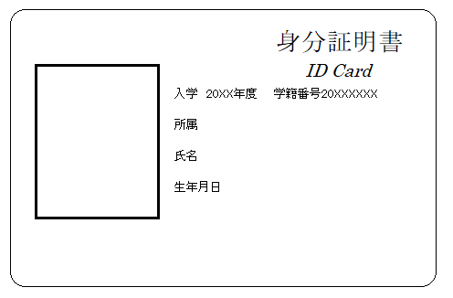 Insert “Student ID Card (Front)" here. ここに学生証（表）を挿入 |  |  Insert “Student ID Card (Back)" here. ここに学生証（裏）を挿入

All printed numbers/informarion should be visible.

Insert “Residence Card (Front)" here. ここに在留カード（表）を挿入 |  | Insert “Residence Card (Back)" here. ここに在留カード（裏）を挿入

